Sheet1
 |  |  |  |  | Golden ratio | (1+√5)/2
Fibonnaci Sequence
FN+1=FN+FN-1 |  |  |  | 1.6180339887 | 1.6153846154

 |  |  |  | 4.2 inches |  | The Parthenon

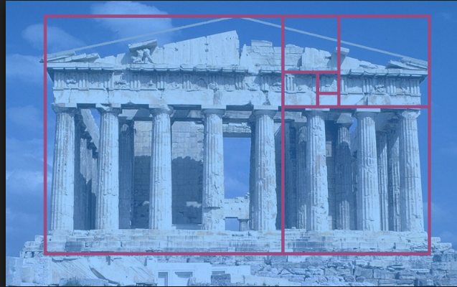

/
N | FN | Ratio
0 | 0
1 | 1 |  | 2.6
2 | 1 |  | inches
3 | 2 | 2
4 | 3 | 1.5
5 | 5 | 1.6666666667
6 | 8 | 1.6
7 | 13 | 1.625
8 | 21 | 1.6153846154
9 | 34 | 1.619047619
10 | 55 | 1.6176470588
11 | 89 | 1.6181818182
12 | 144 | 1.6179775281
13 | 233 | 1.6180555556
14 | 377 | 1.6180257511
15 | 610 | 1.6180371353
16 | 987 | 1.6180327869
17 | 1597 | 1.6180344478
18 | 2584 | 1.6180338134
19 | 4181 | 1.6180340557
20 | 6765 | 1.6180339632
21 | 10946 | 1.6180339985
22 | 17711 | 1.618033985
23 | 28657 | 1.6180339902
24 | 46368 | 1.6180339882
25 | 75025 | 1.618033989
26 | 121393 | 1.6180339887
27 | 196418 | 1.6180339888
28 | 317811 | 1.6180339887
29 | 514229 | 1.6180339888
30 | 832040 | 1.6180339887
31 | 1346269 | 1.6180339888
32 | 2178309 | 1.6180339887
33 | 3524578 | 1.6180339887
34 | 5702887 | 1.6180339887
35 | 9227465 | 1.6180339887
36 | 14930352 | 1.6180339887
37 | 24157817 | 1.6180339887
38 | 39088169 | 1.6180339887
39 | 63245986 | 1.6180339887
40 | 102334155 | 1.6180339887
41 | 165580141 | 1.6180339887
42 | 267914296 | 1.6180339887
43 | 433494437 | 1.6180339887
44 | 701408733 | 1.6180339887
45 | 1134903170 | 1.6180339887
46 | 1836311903 | 1.6180339887
47 | 2971215073 | 1.6180339887
48 | 4807526976 | 1.6180339887
49 | 7778742049 | 1.6180339887
50 | 12586269025 | 1.6180339887
51 | 20365011074 | 1.6180339887
52 | 32951280099 | 1.6180339887
53 | 53316291173 | 1.6180339887
54 | 86267571272 | 1.6180339887
55 | 139583862445 | 1.6180339887
56 | 225851433717 | 1.6180339887
57 | 365435296162 | 1.6180339887
58 | 591286729879 | 1.6180339887
59 | 956722026041 | 1.6180339887
60 | 1548008755920 | 1.6180339887

